Instructions
INSTRUCTIONS TO RUN "BASIC" MODEL

 | The "non-hypothetical" portion of this model produces illustrative rates and illustrative residential bill calculations based on selected user inputs.
 | PLEASE DO NOT INSERT ROWS OR COLUMNS INTO THE SUMMARY
 | To run the "non-hypothetical" portion of the model:

 | 1. | User drop down selections are highlighted in yellow.
 | 2. | In cell D3 of the "Summary" tab, from the dropdown choices, select the year for which illustrative rate impacts are desired (ILLUSTRATION 1).
 | 3. | In cell D4, select, from the dropdown choices, the baseline territory for which illustrative bill impacts are desired.
 | 4. | In the "Pending Proceedings" section beginning on line 7, indicate whether the RRQ associated with the proceeding should be included in the illustrative bill impact analysis
 |  | by selecting from the dropdown choices in column D, a "Y" or "N" where "Y" means to include the RRQ in the analysis and "N" means to not include the RRQ in the analysis (ILLUSTRATION 1A).
 | 5. | In cell I3, select Y to include the California Climate Credit in Rates or N to exclude it.
 | 6. | In cell I4 type in the Typical residential average usage kWh/month
 | 7. | If your excel is not set for automatic calculations, make sure to hit F9 to refresh caluclations. This will give the updated outputs to the basic model using the assumptions selected in yellow on the "Summary" tab.
 | 8. | The outputs will be in rows 30-116. Residential outputs are in rows 30-98 and Small Commercial outputs are in rows 102-116.
 | 9. | An example of the outputs for Residential Average Bundled Rates and the Typical Customer Basic Bundled Residential Monthly Average Bills can be seen in ILLUSTRATION 1B.

 |  | ILLUSTRATION 1A: | 2 | 3 | 4
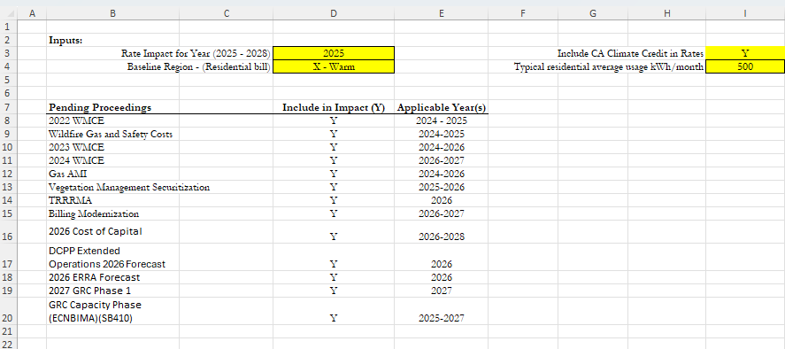

 |  |  |  |  |  |  | 5
 |  |  |  |  |  |  | 6

 |  | Illustration 1B:

VALIDATING THE RESULTS OF THE ILLUSTRATIVE "TYPICAL CUSTOMER" BILL AGAINST A BILL INSERT

 | 1. | The model is set up to accept separate "typical" residential kWh for Non-CARE and CARE customers. (Illustration 2)
 | 2. | Ensure that only the revenue requirement being evaluated is included in the impact.
 | 3. | This hypothetical tab uses currently adopted sales forecasts. It does not forecast for other years.

 |  | Illustration 2

 |  |  |  |  |  |  | 1

Hypothetical RRQ Modeling

 | This tool is available for users to run high level illustritive rate and bill impacts. The user input sections are highlighted yellow.
 | 1. | In cell D3 of the "Hypothetical Summary" tab, type in the "Typical" residential average usage kWh/month (Illustration 3).
 | 2. | In cell D4 of the "Hypothetical Summary" tab, select, from the dropdown choices, the baseline territory for which illustrative bill impacts are desired (Illustration 3).
 | 3. | In cell D5 of the "Hypothetical Summary" tab, select Y to include the California Climate Credit or N to exclude it (Illustration 3).
 | 4. | In the "Hypothetical Summary" tab there are spaces in column D7:D19 for the user to enther their own RRQs into the desired recovery mechanism (Illustration 3).
 |  | *Input revenue ammounts in the thousands
 | 5. | The updated Revenue Requirements will populate all of the "Hypothetical" tabs with new proposed rate and billing information.
 | 6. | The results of the RRQ impacts are summarized on the "Hypothetical Summary" tab and more detailed calculations can be found in the other hypothetical tabs.
 |  | ILLUSTRATION 3 |  | 1 | 2 | 3
